Stocks Daily & Monthly Returns
...
SHOP | SONY | SPOT | TSLA | Date | AAPL | AMZN | BL | DIS | DKNG | EA | F | GOOG | MCD | META | MSFT | NET | NFLX | NVDA | ROKU | SHAK | SHOP | SONY | SPOT | TSLA
73.790000916 | 17.332447052 | 183.03999329 | 236.08000183 | 2024-04-17 | $167.39 | $181.28 | $58.67 | $112.42 | $42.21 | $125.97 | $11.56 | $156.50 | $266.66 | $493.21 | $410.36 | $88.00 | $613.69 | $84.02 | $57.59 | $94.91 | $69.41 | $16.32 | $293.58 | $155.45
73.510002136 | 17.388261795 | 182.61000061 | 246.72000122 | 2024-05-17 | $189.44 | $184.70 | $58.46 | $102.78 | $44.21 | $127.40 | $11.93 | $176.86 | $269.06 | $470.99 | $419.45 | $75.23 | $621.10 | $92.46 | $61.44 | $99.16 | $58.53 | $16.75 | $302.82 | $177.46
73.330001831 | 17.163009644 | 182.30999756 | 244.13999939 | 2024-06-17 | $216.18 | $184.06 | $45.37 | $101.05 | $41.95 | $137.35 | $11.51 | $178.54 | $252.04 | $506.15 | $447.56 | $77.68 | $675.83 | $130.97 | $53.97 | $93.54 | $66.52 | $16.22 | $311.22 | $187.44
72.819999695 | 17.133110046 | 185.11000061 | 240.08000183 | 2024-07-17 | $228.36 | $187.93 | $47.93 | $97.31 | $38.35 | $146.81 | $14.07 | $182.38 | $259.49 | $461.55 | $442.72 | $80.58 | $647.46 | $117.98 | $64.77 | $86.31 | $64.81 | $19.19 | $294.74 | $248.50
73.86000061 | 17.170984268 | 180.69000244 | 238.83000183 | 2024-08-16 | $225.80 | $177.06 | $51.56 | $89.30 | $34.14 | $148.17 | $10.37 | $164.52 | $276.88 | $526.92 | $418.47 | $82.38 | $674.07 | $124.57 | $58.58 | $107.37 | $74.55 | $18.05 | $337.38 | $216.12
72.519996643 | 17.007526398 | 194.16999817 | 235.58000183 | 2024-09-17 | $216.55 | $186.88 | $50.79 | $92.86 | $38.95 | $142.59 | $10.75 | $160.28 | $293.75 | $536.32 | $435.15 | $79.11 | $706.91 | $115.59 | $74.67 | $102.49 | $74.45 | $18.11 | $342.15 | $227.87
74.720001221 | 17.222812653 | 199.32000732 | 238.72000122 | 2024-10-17 | $231.89 | $187.53 | $59.19 | $96.54 | $37.65 | $144.20 | $10.92 | $164.51 | $314.70 | $576.93 | $416.72 | $90.40 | $687.65 | $136.93 | $76.95 | $108.40 | $81.63 | $18.51 | $366.75 | $220.89
71.13999939 | 17.621488571 | 193.78999329 | 239.36999512 | 2024-11-15 | $225.00 | $202.61 | $59.31 | $115.08 | $39.84 | $161.36 | $11.01 | $173.89 | $292.63 | $554.08 | $415.00 | $89.77 | $823.96 | $141.98 | $68.87 | $121.53 | $108.49 | $18.46 | $458.32 | $320.72
71.86000061 | 17.643415451 | 195.82000732 | 242.63999939
72.519996643 | 17.800893784 | 198.05000305 | 243.83999634
Monthly Returns
 | AAPL | AMZN | BL | DIS | DKNG | EA | F | GOOG | MCD | META | MSFT | NET
11/17/2023 | $188.77 | $145.18 | $56.40 | $93.41 | $38.37 | $132.98 | $9.60 | $136.60 | $269.23 | $334.03 | $367.84 | $72.69
12/18/2023 | $194.94 | $154.07 | $61.94 | $92.43 | $35.19 | $137.53 | $11.15 | $136.85 | $285.07 | $343.59 | $370.62 | $84.70
1/17/2024 | $181.79 | $151.71 | $60.43 | $89.93 | $35.07 | $136.07 | $10.53 | $142.54 | $285.98 | $367.26 | $387.35 | $77.07
2/16/2024 | $181.65 | $169.51 | $57.61 | $111.09 | $44.57 | $141.71 | $11.81 | $141.41 | $286.83 | $471.90 | $402.61 | $98.52
3/18/2024 | $173.09 | $174.48 | $63.99 | $113.33 | $43.52 | $132.12 | $11.69 | $148.12 | $275.18 | $496.01 | $415.82 | $94.64
4/17/2024 | $167.39 | $181.28 | $58.67 | $112.42 | $42.21 | $125.97 | $11.56 | $156.50 | $266.66 | $493.21 | $410.36 | $88.00
5/17/2024 | $189.44 | $184.70 | $58.46 | $102.78 | $44.21 | $127.40 | $11.93 | $176.86 | $269.06 | $470.99 | $419.45 | $75.23
6/17/2024 | $216.18 | $184.06 | $45.37 | $101.05 | $41.95 | $137.35 | $11.51 | $178.54 | $252.04 | $506.15 | $447.56 | $77.68
7/17/2024 | $228.36 | $187.93 | $47.93 | $97.31 | $38.35 | $146.81 | $14.07 | $182.38 | $259.49 | $461.55 | $442.72 | $80.58
8/16/2024 | $225.80 | $177.06 | $51.56 | $89.30 | $34.14 | $148.17 | $10.37 | $164.52 | $276.88 | $526.92 | $418.47 | $82.38
9/17/2024 | $216.55 | $186.88 | $50.79 | $92.86 | $38.95 | $142.59 | $10.75 | $160.28 | $293.75 | $536.32 | $435.15 | $79.11
10/17/2024 | $231.89 | $187.53 | $59.19 | $96.54 | $37.65 | $144.20 | $10.92 | $164.51 | $314.70 | $576.93 | $416.72 | $90.40
11/15/2024 | $225.00 | $202.61 | $59.31 | $115.08 | $39.84 | $161.36 | $11.01 | $173.89 | $292.63 | $554.08 | $415.00 | $89.77
72.809997559 | 17.806871414 | 197.75999451 | 239.74000549
72.5 | 18.018169403 | 199 | 237.00999451
73.86000061 | 18.297245026 | 199.49000549 | 239.28999329
77.540000916 | 18.422826767 | 196.1499939 | 251.05000305
76.819999695 | 18.476648331 | 192.16999817 | 253.5
77.129997253 | 18.380966187 | 193.03999329 | 252.08000183
78.349998474 | 18.263357162 | 190.83000183 | 257.22000122
75.419998169 | 17.956377029 | 188.71000671 | 247.13999939
76.13999939 | 18.490602493 | 192.8500061 | 254.5
76.830001831 | 18.367012024 | 189.58999634 | 252.53999329
78.209999084 | 18.632133484 | 189.88000488 | 256.60998535
78.339996338 | 18.739774704 | 190.27000427 | 261.44000244
79.11000061 | 18.867351532 | 188.75 | 253.17999268
77.900001526 | 18.875324249 | 187.91000366 | 248.47999573
73.830001831 | 18.598245621 | 188.80000305 | 248.41999817
71.819999695 | 18.41485405 | 187.94000244 | 238.44999695
73.419998169 | 18.14973259 | 192.58000183 | 237.92999268
74.510002136 | 18.183620453 | 193.52000427 | 237.49000549
77.690002441 | 18.418840408 | 197.25 | 240.44999695
80.11000061 | 18.361034393 | 193.02000427 | 234.96000671
81.099998474 | 19.166358948 | 196.78999329 | 233.94000244
81.300003052 | 19.397590637 | 200.82000732 | 227.22000122
81.400001526 | 19.883975983 | 203.02999878 | 218.88999939
81.319999695 | 19.567028046 | 203.3500061 | 219.91000366
80.319999695 | 19.417524338 | 198.67999268 | 215.55000305
77.519996643 | 19.505233765 | 204.82000732 | 211.88000488
80.010002136 | 19.738460541 | 204.71000671 | 212.19000244
80.260002136 | 19.852081299 | 205.66999817 | 208.80000305
81.13999939 | 19.68463707 | 206.71000671 | 209.13999939
80.730003357 | 19.525167465 | 211.13999939 | 207.83000183
80.489997864 | 19.339782715 | 214.17999268 | 182.63000488
81.550003052 | 19.014860153 | 214.28999329 | 183.25
83.540000916 | 19.379650116 | 218.61000061 | 190.92999268
82.330001831 | 19.415531158 | 217.61999512 | 191.58999634
80.069999695 | 19.485298157 | 215.3500061 | 187.28999329
76.720001221 | 19.712545395 | 218.96000671 | 188.86000061
82.930000305 | 19.646762848 | 222.47000122 | 187.91000366
81.400001526 | 19.45340538 | 223.25 | 181.05999756
81.559997559 | 19.327821732 | 231.91999817 | 185.1000061
85.169998169 | 19.387622833 | 240.83000183 | 187.58000183
87.870002747 | 19.216194153 | 240.00999451 | 189.55999756
90.720001221 | 19.136459351 | 240.77000427 | 193.57000732
89.120002747 | 19.168352127 | 234.67999268 | 188.13000488 | Date | AAPL | AMZN | BL | DIS | DKNG | EA | F | GOOG | MCD | META | MSFT | NET | NFLX | NVDA | ROKU | SHAK | SHOP | SONY | SPOT | TSLA
77.180000305 | 19.108551025 | 238 | 184.02000427 | 2023-11-17 | $188.77 | $145.18 | $56.40 | $93.41 | $38.37 | $132.98 | $9.60 | $136.60 | $269.23 | $334.03 | $367.84 | $72.69 | $465.91 | $49.28 | $92.97 | $60.90 | $68.34 | $17.47 | $176.05 | $234.30
80.669998169 | 18.289270401 | 244.16999817 | 188.71000671 | 2024-11-15 | $225.00 | $202.61 | $59.31 | $115.08 | $39.84 | $161.36 | $11.01 | $173.89 | $292.63 | $554.08 | $415.00 | $89.77 | $823.96 | $141.98 | $68.87 | $121.53 | $108.49 | $18.46 | $458.32 | $320.72
 | 18.337112427 | 245.50999451 | 200.44999695
 | 17.709196091 | 246.25 | 199.94999695
 | 17.511852264 | 243.3999939 | 193.75999451
2023 Vs. 2024 Returns
 | 17.320487976 | 245.08999634 | 194.77000427
 | 17.605541229 | 248.11999512 | 197.41000366
 | 17.523813248 | 256.1000061 | 191.97000122
 | 17.157032013 | 254.99000549 | 199.3999939
 | 17.10121727 | 253.02000427 | 199.72999573
 | 16.975631714 | 252.25 | 202.03999329
 | 17.105203629 | 256.41000366 | 201.88000488
 | 17.545740128 | 263.75 | 202.63999939
 | 17.238758087 | 270 | 188.13999939
 | 17.075302124 | 267 | 180.74000549
 | 17.296567917 | 268.02999878 | 176.53999329
 | 17.322481155 | 270.3500061 | 178.6499939
 | 17.384275436 | 259.3999939 | 175.33999634
 | 17.29457283 | 254.44999695 | 177.77000427
 | 17.491918564 | 258.08999634 | 177.53999329
 | 17.509859085 | 257.26000977 | 169.47999573
 | 17.362348557 | 257.13000488 | 162.5
 | 17.4181633 | 254.88999939 | 163.57000732
 | 17.747070312 | 254.1499939 | 173.80000305
 | 17.741090775 | 252.75999451 | 171.32000732
 | 17.864681244 | 261.72000122 | 175.66000366
 | 17.685276031 | 259.64001465 | 172.82000732
 | 17.665344238 | 264.95001221 | 170.83000183
 | 17.135103226 | 261.92001343 | 172.63000488
 | 17.286600113 | 262.80999756 | 177.66999817
 | 17.308000565 | 260.20001221 | 179.83000183
 | 17.148000717 | 263.8999939 | 175.78999329
 | 17.233999252 | 266.42999268 | 175.22000122
 | 17.065999985 | 269.57998657 | 166.63000488
 | 17.153999329 | 291.76998901 | 168.38000488
 | 16.909999847 | 295.95999146 | 171.11000061
 | 16.964000702 | 310.30999756 | 164.8999939
 | 16.86400032 | 309.07000732 | 172.97999573
 | 16.927999496 | 300.73001099 | 176.88000488
 | 16.826000214 | 299.98999023 | 171.75999451
 | 16.812000275 | 303.57000732 | 174.6000061
 | 16.798000336 | 300.45001221 | 171.05000305
 | 16.459999084 | 290.51998901 | 161.47999573
 | 16.593999863 | 298.07998657 | 157.11000061
 | 16.315999985 | 293.57998657 | 155.44999695
 | 16.375999451 | 289.20001221 | 149.92999268
...

Mean Returns
Mean Returns Over the Past Year
Ticker | Percentage
AAPL | 0.08%
AMZN | 0.15%
BL | 0.05%
DIS | 0.10%
DKNG | 0.05%
EA | 0.08%
F | 0.08%
GOOG | 0.11%
MCD | 0.04%
META | 0.23%
MSFT | 0.06%
NET | 0.13%
NFLX | 0.25%
NVDA | 0.48%
ROKU | -0.06%
SHAK | 0.32%
SHOP | 0.24%
SONY | 0.04%
SPOT | 0.41%
TSLA | 0.20%

Optimal Weight Percentages
Optimal Weight Pie Chart
 | Weight
AAPL | 7.16%
DIS | 10.57%
EA | 24.62%
GOOG | 3.42%
MCD | 21.88%
META | 2.20%
NFLX | 5.64%
SHAK | 3.63%
SONY | 3.95%
SPOT | 13.96%
Tickers | Weight
AAPL | 7.16%
AMZN | 0.00%
BL | 0.00%
DIS | 10.57%
DKNG | 0.00%
EA | 24.62%
F | 0.30%
GOOG | 3.42%
MCD | 21.88%
META | 2.20%
MSFT | 0.00%
NET | 0.00%
NFLX | 5.64%
NVDA | 2.66%
ROKU | 0.00%
SHAK | 3.63%
SHOP | 0.00%
SONY | 3.95%
SPOT | 13.96%
TSLA | 0.00%

Weights Vs. Efficient Frontier
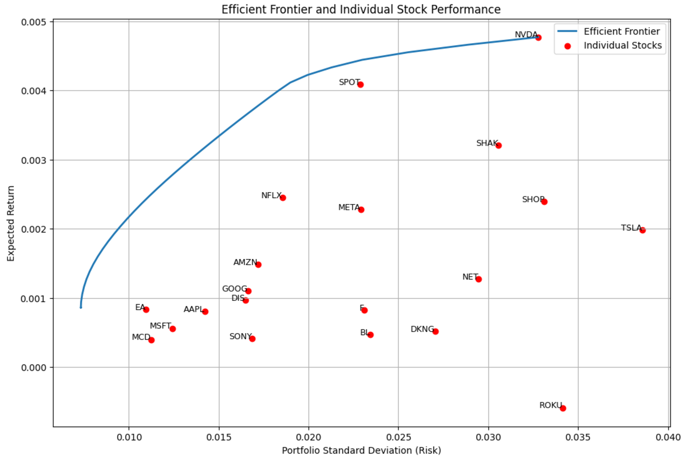

1% - 5% Portfolio Weight
5% - 10% Portfolio Weight
>10% Portfolio Weight

